Range Names
Delta Paint |  | Pasting Range Names | Result
 |  |  | Gross_Profit | ='Range Names'!$B$21
Input |  | Formulas Tab | Hourly_Wages2018 | ='Range Names'!$B$6
Units Sold | 100 | Definded Names section | Total_Production_Cost | ='Range Names'!$B$18
Unit Selling Price | $30.00 | Use in Formula
Employee Hourly Wage | $15.00 | Paste Names - do not highlight any of the names
Maximum Capability per week | 200 | Paste List | The assignment has asked for this to be done on a separate worksheet
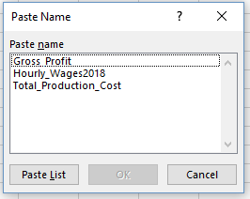
 |  |  | and pasted in A1 and for the columns to be adjusted for proper display
Limitations
Raw Materials in Units | 15000 |  | To change the tab name:
Required raw materials per unit | 3 |  | Right click on the tab
Required Labor Hours Per Gallon | 0.25 |  | Rename
Labor Hours available | 2,000

Expenses
Raw Materials Consumed | 300
Labor Hours Consumed | 25
Total Production Cost | $375.00

The numbers should be formatted and the alignment consistent - review the Goal Seek tab
Income
Gross Profit | $3,000
Net Profit | $2,625

Range Names

Range Names for B18 and B21
The name must start with a letter - no numbers or symbols; no spaces
Be descriptive (i.e. TPC is not appropriate)

Exiting existing

Formulas tab
Name Manager
Edit

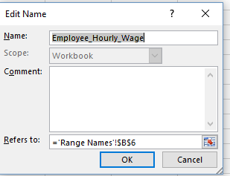

Formula for B22

Goal Seek
Delta Paint

Input
Units Sold | 5,000 | Number formatting need to be done (keep consistent) - I used the comma format so the alignment was the same as the $
Unit Selling Price | $30.00 | The goal is to use all of the available 15,000 raw materials
Employee Hourly Wage | $15.00 | Each until requires 3 units
Maximum Capability per week | 200 | How many units sold are needed in order to exhaust the raw materials available?

Limitations
Raw Materials in Units | 15,000
Required raw materials per unit | 3
Required Labor Hours Per Gallon | 0.25
Labor Hours available | 2,000

Expenses |  | Data Tab
Raw Materials Consumed | 15,000 | What-If-Analysis
Labor Hours Consumed | 1,250 | Goal Seek
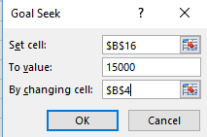
Total Production Cost | $18,750.00

Income |  | B16 needs to have a formula
Gross Profit | $150,000 | 15,000 is our limitations of raw materials
Net Profit | $131,250 | B4 is the cell we are changing

 |  | The Goal seek screen print must be included on the same worksheet in your assignment. If it is not I cannot tell that you used it and no marks will be given

One-Variable Data Table
Delta Paint |  |  | One-Variable Data Table: Production
 |  |  |  | Total Production Cost | Gross Profit | Net Profit | The column headings cells need to refer to the cell with the original formula
Input |  |  | 10 | $37.50 | $300.00 | $262.50 | We are looking at the Total Production Cost, the Gross Profit and the Net Profit (B18, B21 & B22)
Units Sold | 100 |  | 20 | $75.00 | $600.00 | $525.00 | To change the column heading to make it more descriptive:
Unit Selling Price | $30.00 |  | 30 | $112.50 | $900.00 | $787.50 | - Right click
Employee Hourly Wage | $15.00 |  | 40 | $150.00 | $1,200.00 | $1,050.00 | - Format Cells
Maximum Capability per week | 200 |  | 50 | $187.50 | $1,500.00 | $1,312.50 | -Custom
 |  |  | 60 | $225.00 | $1,800.00 | $1,575.00 | -Don't forget the "" around the words
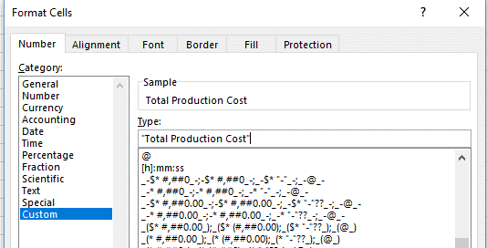
Limitations |  |  | 70 | $262.50 | $2,100.00 | $1,837.50
Raw Materials in Units | 15,000 |  | 80 | $300.00 | $2,400.00 | $2,100.00
Required raw materials per unit | 3 |  | 90 | $337.50 | $2,700.00 | $2,362.50
Required Labor Hours Per Gallon | 0.25 |  | 100 | $375.00 | $3,000.00 | $2,625.00
Labor Hours available | 2,000 |  | 110 | $412.50 | $3,300.00 | $2,887.50
 |  |  | 120 | $450.00 | $3,600.00 | $3,150.00
Expenses |  |  | 130 | $487.50 | $3,900.00 | $3,412.50
Raw Materials Consumed | 300 |  | 140 | $525.00 | $4,200.00 | $3,675.00
Labor Hours Consumed | 25 |  | 150 | $562.50 | $4,500.00 | $3,937.50
Total Production Cost | $375.00 | These should be the | 160 | $600.00 | $4,800.00 | $4,200.00
 |  | same in the data | 170 | $637.50 | $5,100.00 | $4,462.50
Income |  | table if it has been | 180 | $675.00 | $5,400.00 | $4,725.00
Gross Profit | $3,000.00 | done correctly | 190 | $712.50 | $5,700.00 | $4,987.50
Net Profit | $2,625.00 |  | 200 | $750.00 | $6,000.00 | $5,250.00

 |  |  |  |  |  |  | The cell still contains the B18 etc info but there is now a label "on top" as the column heading
 |  |  | For the one-variable table |  |  |  | Make sure the columns are wide enough to show all of the data rather than ####
 |  |  | Highlight E2:H22 (yes, the blank space needs to be included)
 |  |  | Data Tab
 |  |  | What-If_Analysis in the Forecast area
 |  |  | Data Table
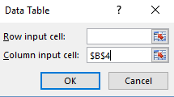

 |  |  |  |  | What are we changing? - the number of units sold - this is in a column in the data table
 |  |  |  |  | It does not matter that it is absolute -once you hit OK it is gone.
 |  |  |  |  | If your data comes out all identical in all of the columns it could be a matter of the row and column cells were reversed
 |  |  |  |  | Delete and change and try again

Two-Variable Data Table
Delta Paint
 |  | Differences from the one-variable | Two-Variable Data Table: Production and Manufacturing Time |  |  |  |  |  |  | The column headings are manually typed in
Input |  | This cell needs to refer to the original cell with the formula | $2,625 | Fifteen | Twenty | Twenty-five | Thirty | Thirty-five | Forty | They do not refer to formulas and are not formulas
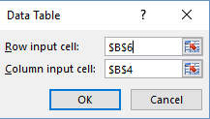
Units Sold | 100 |  | 10 | $262.50 | $250.00 | $237.50 | $225.00 | $212.50 | $200.00 | Refer to the one-variable tab for the custom header info
Unit Selling Price | $30.00 |  | 20 | $525.00 | $500.00 | $475.00 | $450.00 | $425.00 | $400.00
Employee Hourly Wage | $15.00 |  | 30 | $787.50 | $750.00 | $712.50 | $675.00 | $637.50 | $600.00
Maximum Capability per week | 200 |  | 40 | $1,050.00 | $1,000.00 | $950.00 | $900.00 | $850.00 | $800.00
 |  |  | 50 | $1,312.50 | $1,250.00 | $1,187.50 | $1,125.00 | $1,062.50 | $1,000.00
Limitations |  |  | 60 | $1,575.00 | $1,500.00 | $1,425.00 | $1,350.00 | $1,275.00 | $1,200.00
Raw Materials in Units | 15,000 |  | 70 | $1,837.50 | $1,750.00 | $1,662.50 | $1,575.00 | $1,487.50 | $1,400.00
Required raw materials per unit | 3 |  | 80 | $2,100.00 | $2,000.00 | $1,900.00 | $1,800.00 | $1,700.00 | $1,600.00
Required Labor Hours Per Gallon | 0.25 |  | 90 | $2,362.50 | $2,250.00 | $2,137.50 | $2,025.00 | $1,912.50 | $1,800.00
Labor Hours available | 2,000 |  | 100 | $2,625.00 | $2,500.00 | $2,375.00 | $2,250.00 | $2,125.00 | $2,000.00
 |  |  | 110 | $2,887.50 | $2,750.00 | $2,612.50 | $2,475.00 | $2,337.50 | $2,200.00
Expenses |  |  | 120 | $3,150.00 | $3,000.00 | $2,850.00 | $2,700.00 | $2,550.00 | $2,400.00
Raw Materials Consumed | 300 |  | 130 | $3,412.50 | $3,250.00 | $3,087.50 | $2,925.00 | $2,762.50 | $2,600.00
Labor Hours Consumed | 25 |  | 140 | $3,675.00 | $3,500.00 | $3,325.00 | $3,150.00 | $2,975.00 | $2,800.00
Total Production Cost | $375.00 |  | 150 | $3,937.50 | $3,750.00 | $3,562.50 | $3,375.00 | $3,187.50 | $3,000.00
 |  |  | 160 | $4,200.00 | $4,000.00 | $3,800.00 | $3,600.00 | $3,400.00 | $3,200.00
Income |  |  | 170 | $4,462.50 | $4,250.00 | $4,037.50 | $3,825.00 | $3,612.50 | $3,400.00
Gross Profit | $3,000.00 |  | 180 | $4,725.00 | $4,500.00 | $4,275.00 | $4,050.00 | $3,825.00 | $3,600.00
Net Profit | $2,625.00 |  | 190 | $4,987.50 | $4,750.00 | $4,512.50 | $4,275.00 | $4,037.50 | $3,800.00
 |  |  | 200 | $5,250.00 | $5,000.00 | $4,750.00 | $4,500.00 | $4,250.00 | $4,000.00

Scenario Summary
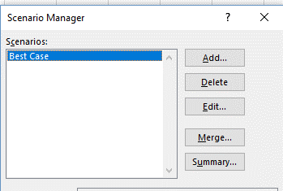
Delta Paint

Input
Units Sold | 100 | Data Tab | Once all of the scenarios are added:
Unit Selling Price | $30.00 | What-If-Analysis | Select summary
Employee Hourly Wage | $15.00 | Scenario Manager
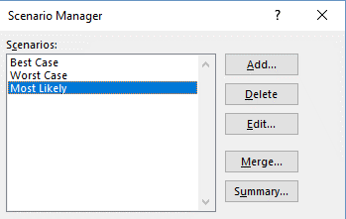
Maximum Capability per week | 200 | Add
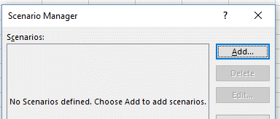
Limitations
Raw Materials in Units | 15,000
Required raw materials per unit | 3
Required Labor Hours Per Gallon | 0.25
Labor Hours available | 2,000

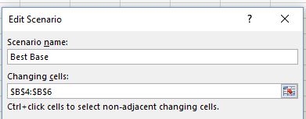
Expenses
Raw Materials Consumed | 300
Labor Hours Consumed | 25
Total Production Cost | $375.00

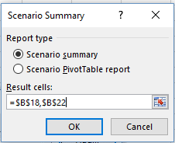
Income |  |  | Select the cells for the Production Cost and Net Income
Gross Profit | $3,000.00 |  | Select OK
Net Profit | $2,625.00

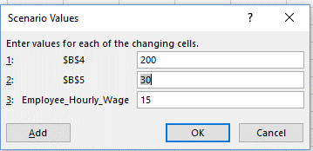

 |  |  | A separate worksheet will be created with the report
 |  |  | - see the Scenario Summary Reports worksheet
 |  | Results | This is static and will not change when the data is updated
 |  | Press Add to add the next scenario | If new data is submitted a new report will need to be created

Solver
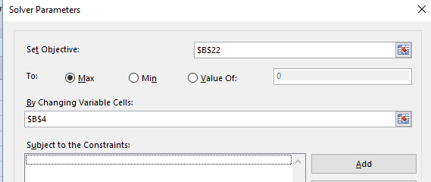
Delta Paint

Input |  | Do you have Solver added in?
Units Sold | 200 | Check the Analyze section of the Data Tab
Unit Selling Price | $30.00
Employee Hourly Wage | $15.00
Maximum Capability per week | 200 |  | You can select either
 |  |  | to keep or restore
Limitations |  |  | Make sure you select "Answer"
Raw Materials in Units | 15,000 |  | Once you select OK an Answer Report worksheet will be created
Required raw materials per unit | 3 | If not, refer to page 428 - Chapter 6 in the text | This is static and will not update if the data is changed
Required Labor Hours Per Gallon | 0.25 |  | A new report will be created
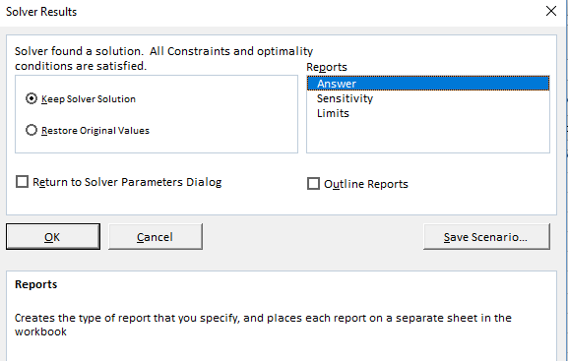
Labor Hours available | 2,000 | Obective - highest Net Income
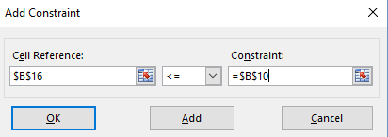
 |  | Changing variable
Expenses |  | Contraints (aka limitation or maximum)
Raw Materials Consumed | 600
Labor Hours Consumed | 50
Total Production Cost | $750.00

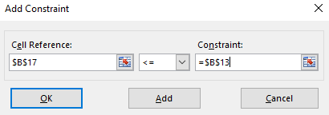
Income
Gross Profit | $6,000
Net Profit | $5,250

For footer
Insert Tab
Text area
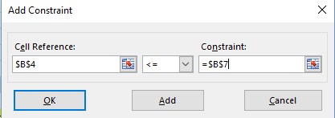
Header & Footer

